Sheet1
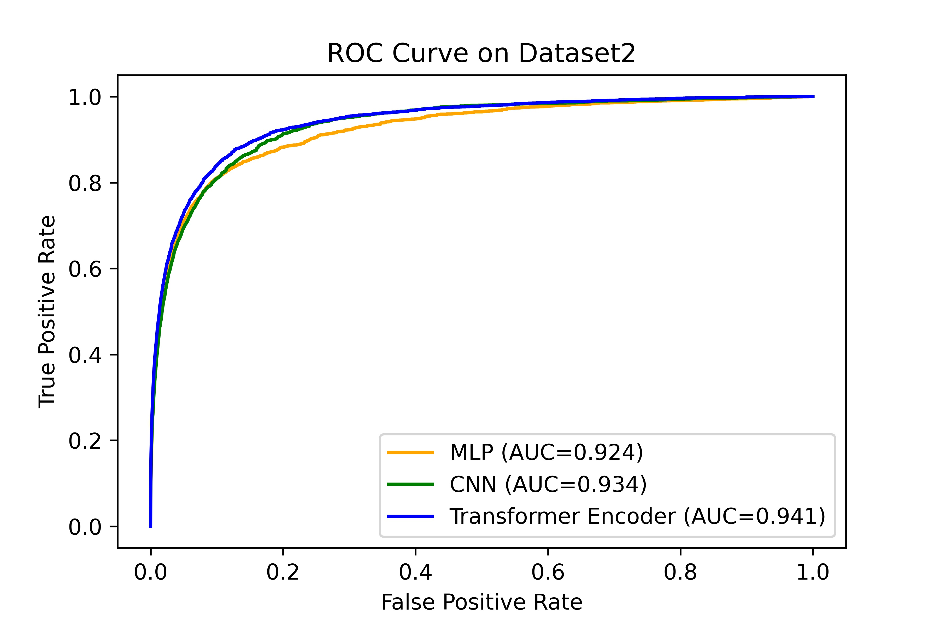
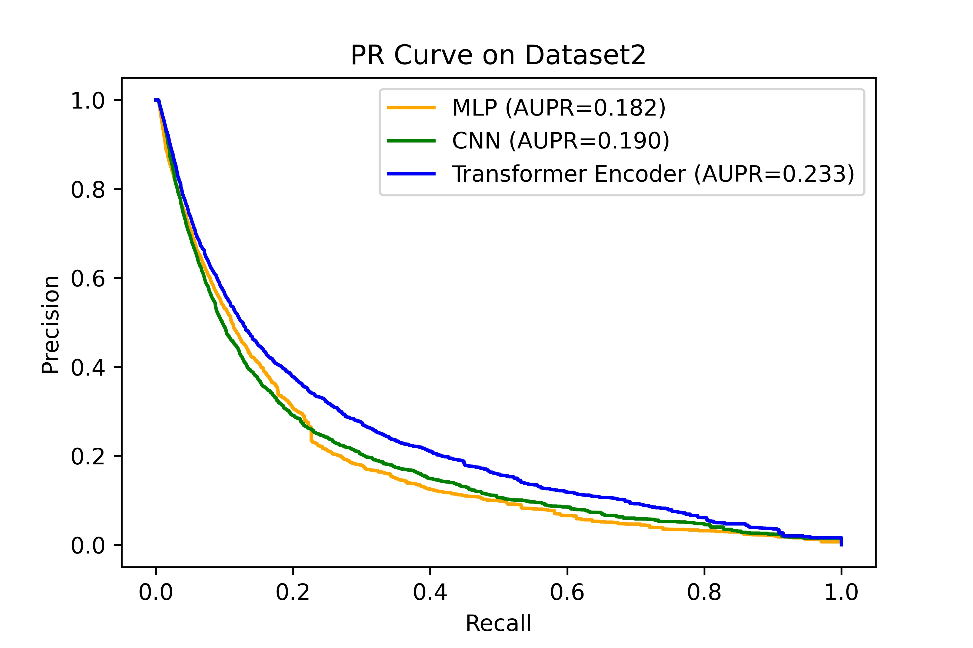
 | Dataset 1 |  | Dataset 2
 | Average AUC | Average AUPR | Average AUC | Average AUPR
MLP | 0.932 | 0.245 | 0.924 | 0.182
CNN | 0.971 | 0.419 | 0.934 | 0.190
Transformer Encoder | 0.994 | 0.709 | 0.941 | 0.233

